Scaling Weight Principles
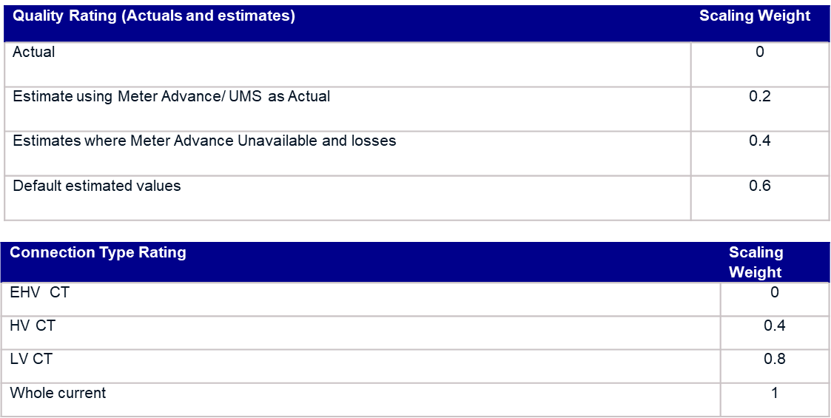
Scaling Weight Principles

The following principles are to be applied in determining the GSPGCF Scaling Weights:

A | Scaling weights should reflect the estimated volume error in each CCC
B | If volume error cannot be estimated the scaling weight should be based on that of similar CCCids
C | Scaling weights should be higher for estimated volumes such as estimates and losses
D | Scaling weights should not disincentive transition to the new MHHS TOM
E | Scaling weights should not unduly impact ‘late movers’ to the new arrangements

These provisional new CCC Id Scaling Weights have been set using the values in the two tables below which are summated to give the total value for each CCC Id. The existing CCC Ids Scaling weights (Scaling Factors in MDD) have been set to the average of the nearest equivalent new CCCids. These values may be revised once Suppliers can provide more detail when they have developed their forecasting Models for MHHS.

